Table of Contents
Region 12: Muskoka, Parry Sound and Algonquin Park

Visitor Statistics
Visitor Spending Statistics
Hotel Statistics
Tourism Related Establishments

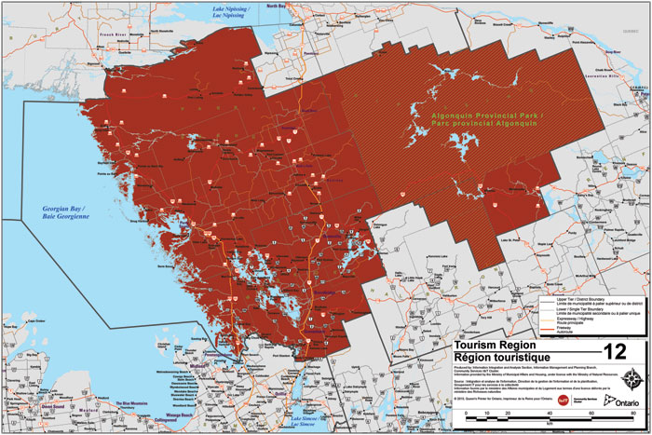

http://www.mtc.gov.on.ca/en/research/rtp/rtp.shtml
tourism.research@ontario.ca

Hotel Statistics
Hotel Statistics |  |  |  |  |  |  |  | Return to Table of Contents

 | 2008 | 2009 | 2010 | 2011 | 2012 | 2013 | 2014
Occupancy Rate | 49.8% | 45.2% | 48.7% | 45.4% | 44.8% | 47.6% | 47.7%
Average Daily Rate | $139.44 | $134.01 | $148.18 | $152.05 | $155.18 | $147.15 | $145.11
Revenue per Available Room | $69.37 | $60.63 | $72.15 | $69.03 | $69.52 | $70.10 | $69.16

 | ADR | RevPAR | Occupancy %
2008 | 139.44 | 69.3714 | 0.4975
2009 | 134.01 | 60.626124 | 0.4524
2010 | 148.18 | 72.148842 | 0.4869
2011 | 152.05 | 69.0307 | 0.454
2012 | 155.18 | 69.52064 | 0.448
2013 | 147.15 | 70.10226 | 0.4764
2014 | 145.11 | 69.159426 | 0.4766

 | Source: | CBRE Hotels Trends in the Hotel Industry National Market Report

